test
4917b041-50ec-11e3-a510-a79daa8de495 | 524067214711 | FINISHED | hazel
4917d750-50ec-11e3-a510-a79daa8de495 | 524538962334 | FINISHED | hazel
49178931-50ec-11e3-a510-a79daa8de495 | 524839675918 | FINISHED | hazel
4918c1b0-50ec-11e3-a510-a79daa8de495 | 524974525830 | FINISHED | hazel
49178930-50ec-11e3-a510-a79daa8de495 | 525088044399 | FINISHED | hazel
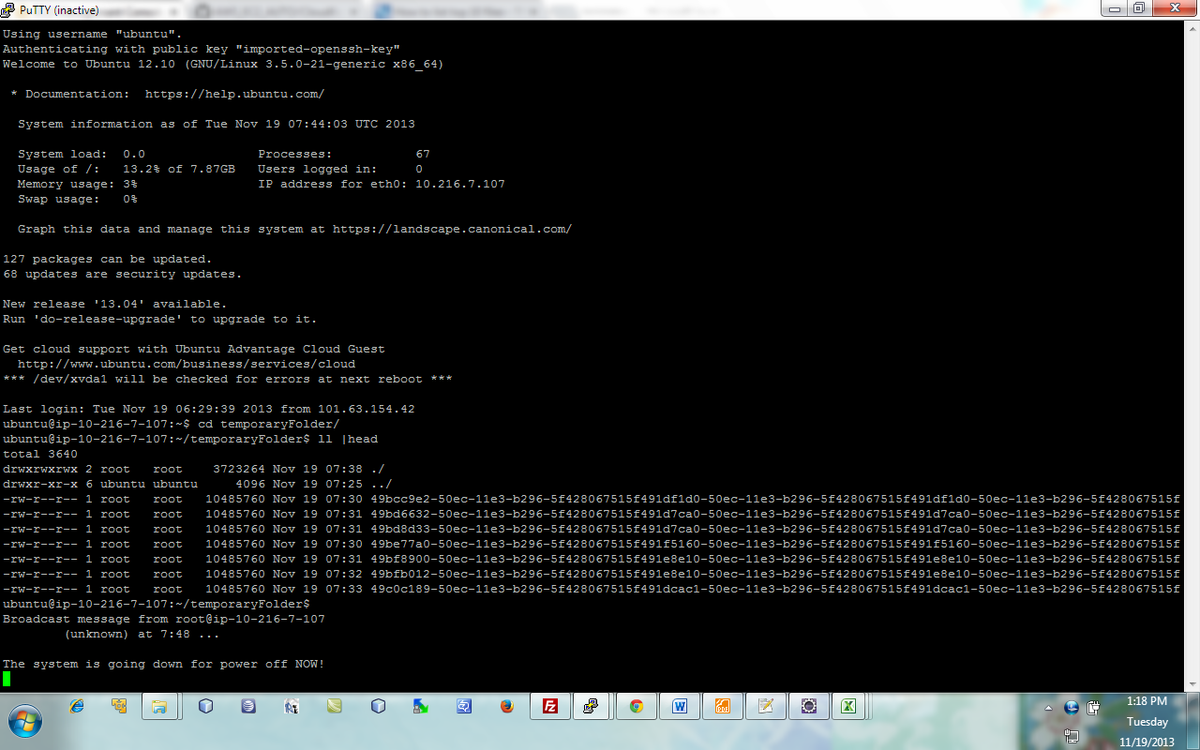
49171400-50ec-11e3-a510-a79daa8de495 | 525987028144 | FINISHED | hazel
49195df0-50ec-11e3-a510-a79daa8de495 | 526220671452 | FINISHED | hazel
4917b040-50ec-11e3-a510-a79daa8de495 | 526322814137 | FINISHED | hazel
491f5160-50ec-11e3-b296-5f428067515f | 527732490673 | FINISHED | hazel
491da3b0-50ec-11e3-b296-5f428067515f | 527971871665 | FINISHED | hazel
491d7ca0-50ec-11e3-b296-5f428067515f | 527982337385 | FINISHED | hazel
491dcac1-50ec-11e3-b296-5f428067515f | 528024617590 | FINISHED | hazel
491d2e80-50ec-11e3-b296-5f428067515f | 528709323003 | FINISHED | hazel
491df1d0-50ec-11e3-b296-5f428067515f | 528835206944 | FINISHED | hazel
491e8e10-50ec-11e3-b296-5f428067515f | 529094626431 | FINISHED | hazel
491dcac0-50ec-11e3-b296-5f428067515f | 529755172023 | FINISHED | hazel
49a3eab0-50ec-11e3-a26b-2714b93c7296 | 535129332051 | FINISHED | hazel
49a4ae01-50ec-11e3-a26b-2714b93c7296 | 535198845407 | FINISHED | hazel
49a4ae00-50ec-11e3-a26b-2714b93c7296 | 535370566107 | FINISHED | hazel
49a486f1-50ec-11e3-a26b-2714b93c7296 | 535606690382 | FINISHED | hazel
49836a60-50ec-11e3-b2e7-8f23a56d5a9e | 535802291098 | FINISHED | hazel
4982f530-50ec-11e3-b2e7-8f23a56d5a9e | 535839912027 | FINISHED | hazel
49839170-50ec-11e3-b2e7-8f23a56d5a9e | 535873850602 | FINISHED | hazel
49a60d91-50ec-11e3-a26b-2714b93c7296 | 535892041116 | FINISHED | hazel
49839171-50ec-11e3-b2e7-8f23a56d5a9e | 536762840062 | FINISHED | hazel
4955f1c0-50ec-11e3-b0e0-bd00c92aa5a4 | 536986673593 | FINISHED | hazel
49a486f0-50ec-11e3-a26b-2714b93c7296 | 537186957671 | FINISHED | hazel
49836a61-50ec-11e3-b2e7-8f23a56d5a9e | 537228410136 | FINISHED | hazel
49a60d90-50ec-11e3-a26b-2714b93c7296 | 537253422068 | FINISHED | hazel
495380c0-50ec-11e3-b0e0-bd00c92aa5a4 | 537310417398 | FINISHED | hazel
49541d00-50ec-11e3-b0e0-bd00c92aa5a4 | 537442880510 | FINISHED | hazel
49a45fe0-50ec-11e3-a26b-2714b93c7296 | 537591615981 | FINISHED | hazel
49544410-50ec-11e3-b0e0-bd00c92aa5a4 | 537622106624 | FINISHED | hazel
4954b941-50ec-11e3-b0e0-bd00c92aa5a4 | 538335805055 | FINISHED | hazel
4953f5f0-50ec-11e3-b0e0-bd00c92aa5a4 | 538407259466 | FINISHED | hazel
4984a2e0-50ec-11e3-b2e7-8f23a56d5a9e | 538412930744 | FINISHED | hazel
4954b940-50ec-11e3-b0e0-bd00c92aa5a4 | 538486373866 | FINISHED | hazel
49541d01-50ec-11e3-b0e0-bd00c92aa5a4 | 538607755185 | FINISHED | hazel
4983b880-50ec-11e3-b2e7-8f23a56d5a9e | 538754669222 | FINISHED | hazel
49853f20-50ec-11e3-b2e7-8f23a56d5a9e | 540205418314 | FINISHED | hazel
4a77b570-50ec-11e3-99c3-6f36678488cb | 544850461803 | FINISHED | hazel
4a778e61-50ec-11e3-99c3-6f36678488cb | 545037273790 | FINISHED | hazel
4a771930-50ec-11e3-99c3-6f36678488cb | 545239435609 | FINISHED | hazel
4a77b571-50ec-11e3-99c3-6f36678488cb | 545542167891 | FINISHED | hazel
4ab1ff50-50ec-11e3-a340-83fff573a990 | 545672388412 | FINISHED | hazel
4bda2ba0-50ec-11e3-b134-19ed8b0c04b0 | 545755546336 | FINISHED | hazel
4a793c11-50ec-11e3-99c3-6f36678488cb | 545908609309 | FINISHED | hazel
4bda52b1-50ec-11e3-b134-19ed8b0c04b0 | 546073810873 | FINISHED | hazel
4a778e60-50ec-11e3-99c3-6f36678488cb | 546229031932 | FINISHED | hazel
4a793c10-50ec-11e3-99c3-6f36678488cb | 546297980605 | FINISHED | hazel
4bdc0060-50ec-11e3-b134-19ed8b0c04b0 | 546318375761 | FINISHED | hazel
4a77dc80-50ec-11e3-99c3-6f36678488cb | 546366989456 | FINISHED | hazel
4bdac7e0-50ec-11e3-b134-19ed8b0c04b0 | 546394513230 | FINISHED | hazel
4ab1b130-50ec-11e3-a340-83fff573a990 | 546445029377 | FINISHED | hazel
4ab1b131-50ec-11e3-a340-83fff573a990 | 546490719359 | FINISHED | hazel
4bd9b670-50ec-11e3-b134-19ed8b0c04b0 | 546595677169 | FINISHED | hazel
4ab13c00-50ec-11e3-a340-83fff573a990 | 546683693742 | FINISHED | hazel
4ab18a20-50ec-11e3-a340-83fff573a990 | 546872304800 | FINISHED | hazel
4bda79c0-50ec-11e3-b134-19ed8b0c04b0 | 546915607320 | FINISHED | hazel
4ab2c2a0-50ec-11e3-a340-83fff573a990 | 547002979197 | FINISHED | hazel
4ab35ee0-50ec-11e3-a340-83fff573a990 | 547030323288 | FINISHED | hazel
4ab1d840-50ec-11e3-a340-83fff573a990 | 547298842724 | FINISHED | hazel
4bda0490-50ec-11e3-b134-19ed8b0c04b0 | 547359234040 | FINISHED | hazel
4eaf1d90-50ec-11e3-bf4d-c5303f61abbd | 548286298120 | FINISHED | hazel
4eb07d20-50ec-11e3-bf4d-c5303f61abbd | 548438915461 | FINISHED | hazel
4bda52b0-50ec-11e3-b134-19ed8b0c04b0 | 548460431198 | FINISHED | hazel
4eafb9d1-50ec-11e3-bf4d-c5303f61abbd | 548516214381 | FINISHED | hazel
4b671e81-50ec-11e3-8077-8139acaba487 | 548623197841 | FINISHED | hazel
4b691a50-50ec-11e3-8077-8139acaba487 | 548645905549 | FINISHED | hazel
4c1f7201-50ec-11e3-ae56-752859318256 | 548735634119 | FINISHED | hazel
4c20d190-50ec-11e3-ae56-752859318256 | 548976765344 | FINISHED | hazel
4eafb9d0-50ec-11e3-bf4d-c5303f61abbd | 548999235338 | FINISHED | hazel
4b687e10-50ec-11e3-8077-8139acaba487 | 549094193951 | FINISHED | hazel
4eaf6bb0-50ec-11e3-bf4d-c5303f61abbd | 549112578804 | FINISHED | hazel
4c1ed5c0-50ec-11e3-ae56-752859318256 | 549205216349 | FINISHED | hazel
4dec1bb1-50ec-11e3-a0e2-55c49eeb7e75 | 549219860814 | FINISHED | hazel
4c799ff1-50ec-11e3-82cc-cfd594e2c059 | 549293136044 | FINISHED | hazel
4c20f8a0-50ec-11e3-ae56-752859318256 | 549349714856 | FINISHED | hazel
4b66a950-50ec-11e3-8077-8139acaba487 | 549380619151 | FINISHED | hazel
4eafe0e0-50ec-11e3-bf4d-c5303f61abbd | 549463650560 | FINISHED | hazel
4deb7f70-50ec-11e3-a0e2-55c49eeb7e75 | 549467513725 | FINISHED | hazel
4c7978e0-50ec-11e3-82cc-cfd594e2c059 | 549538055302 | FINISHED | hazel
4c406781-50ec-11e3-a1c7-05f604c3cd4c | 549584420364 | FINISHED | hazel
4debf4a0-50ec-11e3-a0e2-55c49eeb7e75 | 549607412478 | FINISHED | hazel
4eaf92c0-50ec-11e3-bf4d-c5303f61abbd | 549681744690 | FINISHED | hazel
4c43e9f1-50ec-11e3-b69e-b580616f37b7 | 549704791138 | FINISHED | hazel
4c454980-50ec-11e3-b69e-b580616f37b7 | 549726739805 | FINISHED | hazel
4c7ab160-50ec-11e3-82cc-cfd594e2c059 | 549737740474 | FINISHED | hazel
4b67bac0-50ec-11e3-8077-8139acaba487 | 549777604978 | FINISHED | hazel
4c799ff0-50ec-11e3-82cc-cfd594e2c059 | 549817782851 | FINISHED | hazel
4c1f4af0-50ec-11e3-ae56-752859318256 | 549844124883 | FINISHED | hazel
4eb11960-50ec-11e3-bf4d-c5303f61abbd | 549881689262 | FINISHED | hazel
4c3fcb40-50ec-11e3-a1c7-05f604c3cd4c | 549921911978 | FINISHED | hazel
4c404070-50ec-11e3-a1c7-05f604c3cd4c | 549977017082 | FINISHED | hazel
4c4374c0-50ec-11e3-b69e-b580616f37b7 | 549983875933 | FINISHED | hazel
4c412ad0-50ec-11e3-a1c7-05f604c3cd4c | 550110050129 | FINISHED | hazel
4c7b4da0-50ec-11e3-82cc-cfd594e2c059 | 550168939902 | FINISHED | hazel
4debcd90-50ec-11e3-a0e2-55c49eeb7e75 | 550183321301 | FINISHED | hazel
4c408e91-50ec-11e3-a1c7-05f604c3cd4c | 550206479026 | FINISHED | hazel
4c43e9f0-50ec-11e3-b69e-b580616f37b7 | 550221852547 | FINISHED | hazel
4dec1bb0-50ec-11e3-a0e2-55c49eeb7e75 | 550318319486 | FINISHED | hazel
4c1f7200-50ec-11e3-ae56-752859318256 | 550349099637 | FINISHED | hazel
4ded5430-50ec-11e3-a0e2-55c49eeb7e75 | 550494295149 | FINISHED | hazel
4c443810-50ec-11e3-b69e-b580616f37b7 | 550514180370 | FINISHED | hazel
4b66f770-50ec-11e3-8077-8139acaba487 | 550577391858 | FINISHED | hazel
4c45e5c0-50ec-11e3-b69e-b580616f37b7 | 550591795170 | FINISHED | hazel
4dec42c0-50ec-11e3-a0e2-55c49eeb7e75 | 550593892700 | FINISHED | hazel
4b671e80-50ec-11e3-8077-8139acaba487 | 550597498947 | FINISHED | hazel
4c408e90-50ec-11e3-a1c7-05f604c3cd4c | 550631009051 | FINISHED | hazel
4c1f9910-50ec-11e3-ae56-752859318256 | 550700370540 | FINISHED | hazel
4c1f4af1-50ec-11e3-ae56-752859318256 | 550882049174 | FINISHED | hazel
4c41c710-50ec-11e3-a1c7-05f604c3cd4c | 550921418605 | FINISHED | hazel
4c441101-50ec-11e3-b69e-b580616f37b7 | 550961742621 | FINISHED | hazel
4c79c700-50ec-11e3-82cc-cfd594e2c059 | 550995346741 | FINISHED | hazel
4decb7f0-50ec-11e3-a0e2-55c49eeb7e75 | 551293956047 | FINISHED | hazel
4b674590-50ec-11e3-8077-8139acaba487 | 551382314818 | FINISHED | hazel
4e86fc21-50ec-11e3-b8bf-bb04ca3f8922 | 551423517678 | FINISHED | hazel
4e877150-50ec-11e3-b8bf-bb04ca3f8922 | 551482783151 | FINISHED | hazel
4e86ae00-50ec-11e3-b8bf-bb04ca3f8922 | 551528589774 | FINISHED | hazel
4c406780-50ec-11e3-a1c7-05f604c3cd4c | 551537768770 | FINISHED | hazel
4c7903b0-50ec-11e3-82cc-cfd594e2c059 | 551626103939 | FINISHED | hazel
4c441100-50ec-11e3-b69e-b580616f37b7 | 551875474732 | FINISHED | hazel
4c7951d0-50ec-11e3-82cc-cfd594e2c059 | 552244255465 | FINISHED | hazel
4e86fc20-50ec-11e3-b8bf-bb04ca3f8922 | 552875046549 | FINISHED | hazel
4e88a9d0-50ec-11e3-b8bf-bb04ca3f8922 | 552994041839 | FINISHED | hazel
4e86ae01-50ec-11e3-b8bf-bb04ca3f8922 | 553229856782 | FINISHED | hazel
4e86d510-50ec-11e3-b8bf-bb04ca3f8922 | 553306151923 | FINISHED | hazel
4e8638d0-50ec-11e3-b8bf-bb04ca3f8922 | 553393421555 | FINISHED | hazel

